Title page


Instructions
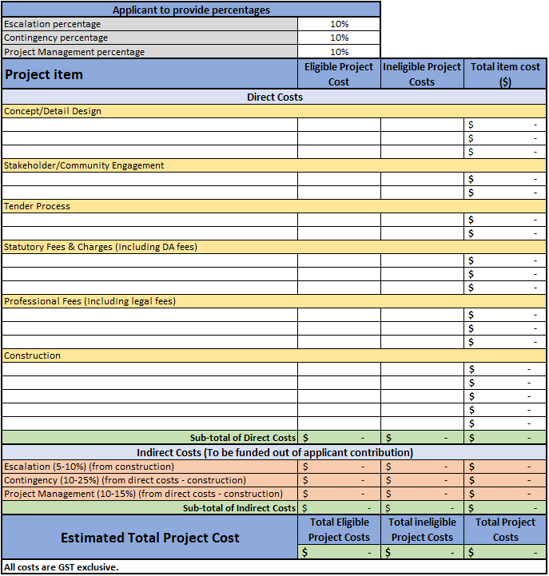
Instructions
*Note - cells will automatically calculate totals
Please complete the tab for your project stream
1. Please populate the percentage required for the indirect costs relating to Escalation, Contingency & Project Management
2. Please polulate the 'Project Item' column with the description and include the eligible or ineligible cost in the relevant column.
3. Please repeat this process for all Project Items relating to Direct Costs and noting that Indirect Costs will autopopulate based on the percentages above.
* If you require additional rows please contact the City Deals team at SEQLiveabilityFund@dsdilgp.qld.gov.au

